Accelerator_500_suppliers_20260
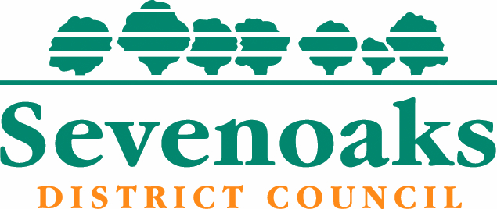
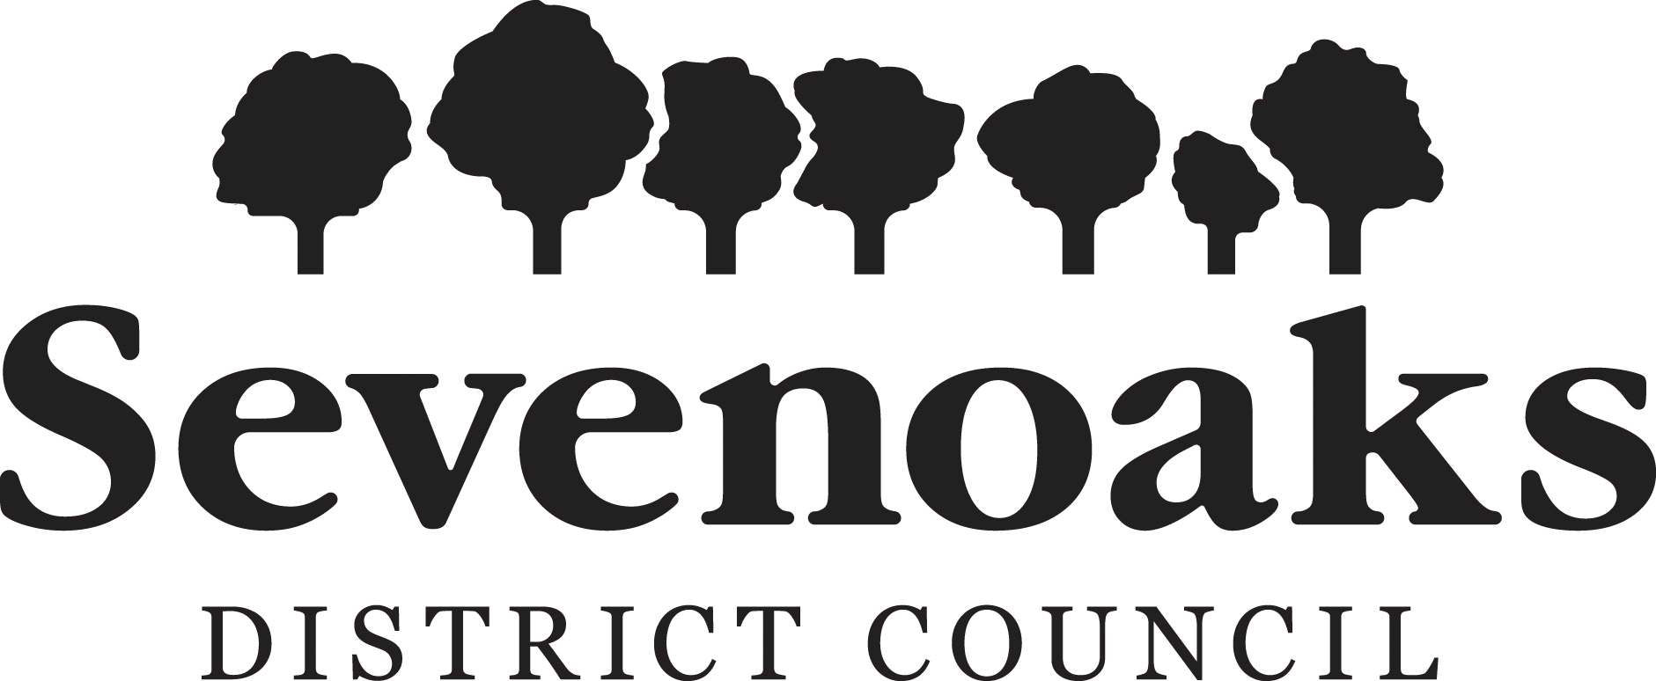

Local Transparency: Supplier payments over £500
December 2025

Body Name | Department | Expense Area | Trans Date | TransNo | Amount | Supplier ID | Supplier Name | Company Reg No
Sevenoaks District Council | Communities and Business | Non-revenue | 12/12/2025 | 40173123 | 760.00 | 18940 | Applewood Fire and Security Limited | 11882391
Sevenoaks District Council | Housing | Homelessness | 30/11/2025 | 40172812 | 3,114.00 | 15550 | Less Homeless Limited | 8458851
Sevenoaks District Council | Direct Services | Waste Collection | 18/11/2025 | 40172734 | 857.00 | 16416 | Majorlift Hydraulic Equipment Ltd | 1358382
Sevenoaks District Council | Direct Services | Waste Collection | 11/12/2025 | 40173298 | 850.00 | 16416 | Majorlift Hydraulic Equipment Ltd | 1358382
Sevenoaks District Council | Communities and Business | Community Development | 04/12/2025 | 40172840 | 480.00 | 20662 | Egg Head Catering
Sevenoaks District Council | Planning Services | Planning Policy | 26/11/2025 | 40172689 | 7,500.00 | 20102 | Phil Jones Associates Limited | 4685684
Sevenoaks District Council | Planning Services | Planning Policy | 15/12/2025 | 40173112 | 5,000.00 | 20102 | Phil Jones Associates Limited | 4685684
Sevenoaks District Council | Direct Services | Waste Collection | 02/12/2025 | 40172896 | 537.00 | 12395 | LCP Automotive Components | 487853
Sevenoaks District Council | Environmental and Operational Services | Environmental Health | 01/12/2025 | 40173016 | 900.00 | 19294 | REDACT
Sevenoaks District Council | Direct Services | Waste Collection | 16/12/2025 | 40173170 | 2,082.25 | 15469 | Kent County Council - Energy Bills
Sevenoaks District Council | Direct Services | Waste Collection | 12/12/2025 | 40173122 | 894.52 | 15469 | Kent County Council - Energy Bills
Sevenoaks District Council | Planning Services | Building Control | 30/09/2025 | 40172783 | 3,243.60 | 14560 | Sharpe Pritchard LLP
Sevenoaks District Council | Environmental and Operational Services | Open Spaces | 15/12/2025 | 40173241 | 700.00 | 16505 | J Symonds
Sevenoaks District Council | Environmental and Operational Services | Economic Development | 30/11/2025 | 40173157 | 433.44 | 12302 | Wingham Engineering Co.Ltd t/a Oaks Plant Hire
Sevenoaks District Council | Communities and Business | Recreation & Sport | 27/11/2025 | 40172728 | 12,539.02 | 15469 | Kent County Council - Energy Bills
Sevenoaks District Council | Financial Services | Support Services | 03/12/2025 | 40172843 | 2,300.00 | 20789 | Hays Specialist Recruitment Ltd | 975677
Sevenoaks District Council | Financial Services | Support Services | 10/12/2025 | 40173052 | 2,300.00 | 20789 | Hays Specialist Recruitment Ltd | 975677
Sevenoaks District Council | Financial Services | Support Services | 17/12/2025 | 40173213 | 2,300.00 | 20789 | Hays Specialist Recruitment Ltd | 975677
Sevenoaks District Council | Direct Services | Waste Collection | 02/12/2025 | 40173002 | 724.45 | 15039 | NTM-GB Limited | 4984293
Sevenoaks District Council | Direct Services | Waste Collection | 11/12/2025 | 40173082 | 6,947.50 | 15039 | NTM-GB Limited | 4984293
Sevenoaks District Council | Communities and Business | Non-revenue | 23/09/2025 | 40172517 | 2,704.00 | 20855 | Bevan Brittan LLP | OC309219
Sevenoaks District Council | Environmental and Operational Services | Parking Services | 16/12/2025 | 40173202 | 3,455.26 | 15469 | Kent County Council - Energy Bills
Sevenoaks District Council | Environmental and Operational Services | Parking Services | 27/11/2025 | 40172711 | 2,635.93 | 15469 | Kent County Council - Energy Bills
Sevenoaks District Council | Financial Services | Corporate Management | 10/12/2025 | 40173152 | 3,914.37 | 19440 | Key Marketing Service Ltd T/A KPM Group | 4287333
Sevenoaks District Council | Environmental and Operational Services | Parking Services | 16/12/2025 | 40173200 | 436.28 | 15469 | Kent County Council - Energy Bills
Sevenoaks District Council | Environmental and Operational Services | Parking Services | 16/12/2025 | 40173199 | 1,331.52 | 15469 | Kent County Council - Energy Bills
Sevenoaks District Council | Communities and Business | Economic Development | 16/12/2025 | 40173139 | 861.99 | 15469 | Kent County Council - Energy Bills
Sevenoaks District Council | Communities and Business | Non-revenue | 10/12/2025 | 40173062 | 494.20 | 18901 | Playle & Partners LLP | OC317809
Sevenoaks District Council | Direct Services | Waste Collection | 18/12/2025 | 40173254 | 2,014.88 | 19672 | M & S Electrical Services Limited | 10283582
Sevenoaks District Council | Direct Services | Waste Collection | 02/12/2025 | 40172885 | 3,253.85 | 18292 | MORE RECRUITMENT KENT LTD | 7159364
Sevenoaks District Council | Direct Services | Waste Collection | 10/12/2025 | 40173110 | 3,253.85 | 18292 | MORE RECRUITMENT KENT LTD | 7159364
Sevenoaks District Council | Direct Services | Waste Collection | 30/12/2025 | 40173357 | 1,575.30 | 18292 | MORE RECRUITMENT KENT LTD | 7159364
Sevenoaks District Council | Direct Services | Waste Collection | 01/12/2025 | 40172814 | 10,720.00 | 19121 | Precision Resource Group T/A Panoramic Associates | 9573050
Sevenoaks District Council | Corporate Support | Support Services | 22/12/2025 | 40173279 | 605.24 | 18782 | AVC Wise Ltd | 11406613
Sevenoaks District Council | Communities and Business | Non-revenue | 27/11/2025 | 40172886 | 7,732.50 | 19366 | Browne Jacobson LLP | OC306448
Sevenoaks District Council | Communities and Business | Non-revenue | 19/12/2025 | 40173343 | 11,557.50 | 19366 | Browne Jacobson LLP | OC306448
Sevenoaks District Council | Corporate Support | Support Services | 16/12/2025 | 40173156 | 5,840.05 | 13252 | Idox Software Limited | 2933889
Sevenoaks District Council | Environmental and Operational Services | Open Spaces | 21/10/2025 | 40173109 | 1,995.00 | 20621 | PJC Consultancy | 6480000
Sevenoaks District Council | Environmental and Operational Services | Parking Services | 10/12/2025 | 40173061 | 1,600.00 | 18188 | Parking and Secure Documents trading division of Integrity Print Ltd | 6596913
Sevenoaks District Council | Strategic Services Director | Non-revenue | 17/12/2025 | 40173189 | 795.00 | 20851 | REDACT
Sevenoaks District Council | Corporate Support | Non-revenue | 12/12/2025 | 40173140 | 2,500.00 | 14258 | LNRS Data Services Ltd T/A Reed Business Information Ltd | 151537
Sevenoaks District Council | Financial Services | Non-revenue | 30/11/2025 | 40172942 | 6,211.61 | 17461 | Virtual Mail Room Ltd | 6128647
Sevenoaks District Council | Financial Services | Non-revenue | 30/11/2025 | 40172946 | 4,973.96 | 17461 | Virtual Mail Room Ltd | 6128647
Sevenoaks District Council | Environmental and Operational Services | Economic Development | 10/12/2025 | 40173042 | 483.40 | 10914 | Edenbridge Town Council
Sevenoaks District Council | Corporate Support | Support Services | 26/11/2025 | 40172743 | 2,139.75 | 12959 | Bytes Software Services Ltd | 1616977
...

