Accelerator_500_suppliers_20250
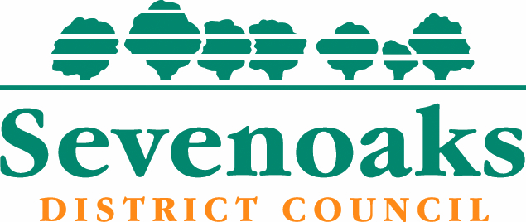
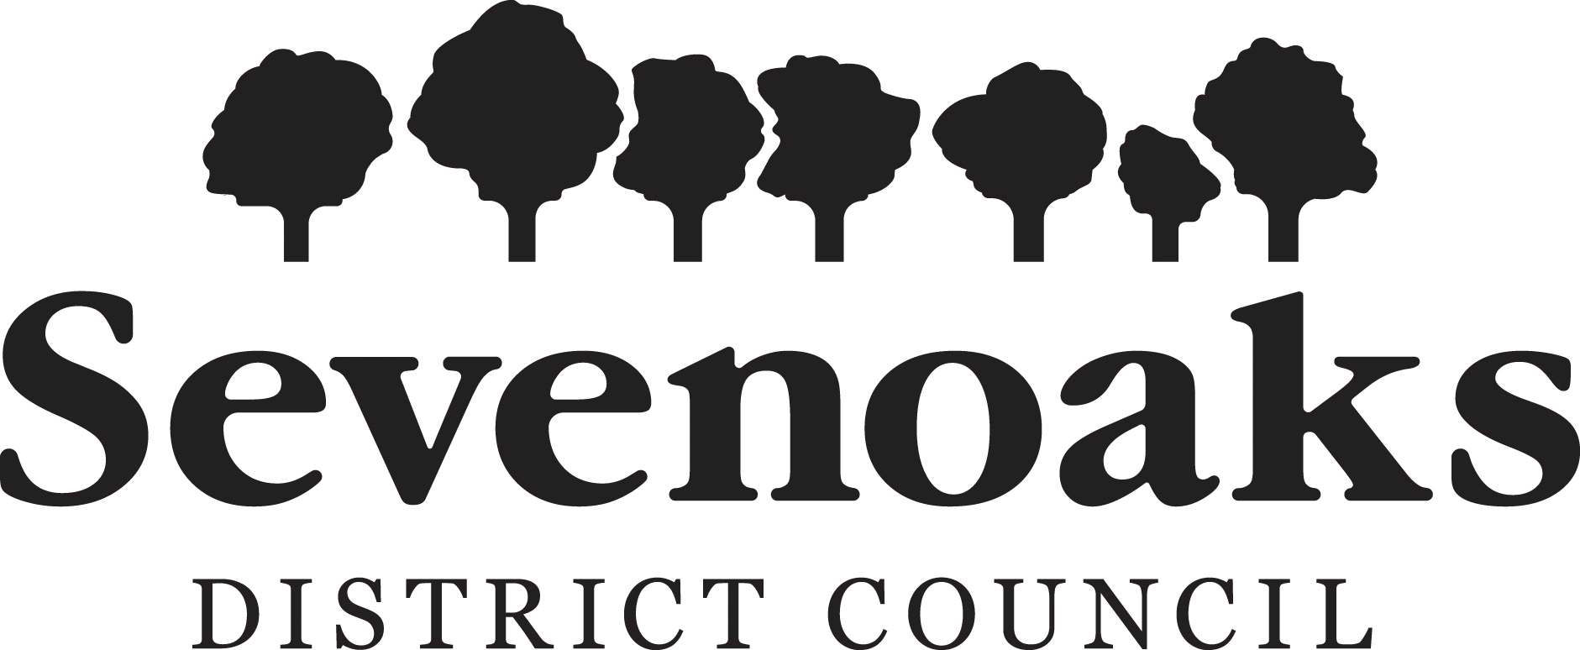

Local Transparency: Supplier payments over £500
May 2025

Body Name | Department | Expense Area | Trans Date | TransNo | Amount | Supplier ID | Supplier Name | Company Reg No
Sevenoaks District Council | Environmental and Operational Services | Asset Maintenance Revenue Account | 24/04/2025 | 40167529 | 7,099.67 | 18940 | Applewood Fire and Security Limited | 11882391
Sevenoaks District Council | Housing | Homelessness | 30/04/2025 | 40167611 | 3,360.00 | 15550 | Less Homeless Limited | 8458851
Sevenoaks District Council | Direct Services | Waste Collection | 10/04/2025 | 40167954 | 450.00 | 16899 | Evans Dangerous Goods Training
Sevenoaks District Council | Housing | Homelessness | 01/05/2025 | 40167647 | 1,710.00 | 19757 | Kent Accommodation LTD | 12900140
Sevenoaks District Council | Direct Services | Waste Collection | 30/04/2025 | 40167626 | 495.00 | 12395 | LCP Automotive Components | 487853
Sevenoaks District Council | Direct Services | Waste Collection | 30/04/2025 | 40167627 | 480.00 | 12395 | LCP Automotive Components | 487853
Sevenoaks District Council | Environmental and Operational Services | Open Spaces | 02/05/2025 | 40167665 | 1,200.00 | 16894 | Land Use Consultants Limited | 2549296
Sevenoaks District Council | Environmental and Operational Services | Open Spaces | 02/05/2025 | 40167666 | 6,462.50 | 16894 | Land Use Consultants Limited | 2549296
Sevenoaks District Council | Direct Services | Waste Collection | 16/05/2025 | 40168103 | 2,063.18 | 15469 | Kent County Council - Energy Bills
Sevenoaks District Council | Direct Services | Waste Collection | 14/05/2025 | 40167937 | 1,027.40 | 15469 | Kent County Council - Energy Bills
Sevenoaks District Council | Environmental and Operational Services | Economic Development | 30/04/2025 | 40167938 | 454.08 | 12302 | Wingham Engineering Co.Ltd t/a Oaks Plant Hire
Sevenoaks District Council | Communities and Business | Recreation & Sport | 17/04/2025 | 40167999 | 6,352.80 | 15469 | Kent County Council - Energy Bills
Sevenoaks District Council | Communities and Business | Recreation & Sport | 15/04/2025 | 40167998 | 4,011.78 | 15469 | Kent County Council - Energy Bills
Sevenoaks District Council | Communities and Business | Recreation & Sport | 15/04/2025 | 40167997 | 624.89 | 15469 | Kent County Council - Energy Bills
Sevenoaks District Council | Communities and Business | Recreation & Sport | 22/04/2025 | 40167996 | 13,464.53 | 15469 | Kent County Council - Energy Bills
Sevenoaks District Council | Communities and Business | Recreation & Sport | 15/04/2025 | 40167995 | 10,348.55 | 15469 | Kent County Council - Energy Bills
Sevenoaks District Council | Financial Services | Support Services | 30/04/2025 | 40167667 | 2,740.00 | 20789 | Hays Specialist Recruitment Ltd | 975677
Sevenoaks District Council | Financial Services | Support Services | 07/05/2025 | 40167902 | 3,082.50 | 20789 | Hays Specialist Recruitment Ltd | 975677
Sevenoaks District Council | Financial Services | Support Services | 14/05/2025 | 40168076 | 2,740.00 | 20789 | Hays Specialist Recruitment Ltd | 975677
Sevenoaks District Council | Housing | Housing Strategy | 12/05/2025 | 40167966 | 11,084.42 | 11483 | Dover District Council
Sevenoaks District Council | Direct Services | Waste Collection | 08/04/2025 | 40167731 | 1,823.90 | 15039 | NTM-GB Limited | 4984293
Sevenoaks District Council | Communities and Business | Recreation & Sport | 17/04/2025 | 40167993 | 2,622.16 | 15469 | Kent County Council - Energy Bills
Sevenoaks District Council | Communities and Business | Recreation & Sport | 14/04/2025 | 40167992 | 4,714.98 | 15469 | Kent County Council - Energy Bills
Sevenoaks District Council | Environmental and Operational Services | Parking Services | 16/05/2025 | 40168062 | 3,263.86 | 15469 | Kent County Council - Energy Bills
Sevenoaks District Council | Direct Services | Waste Collection | 26/03/2025 | 40168033 | 972.29 | 15469 | Kent County Council - Energy Bills
Sevenoaks District Council | Environmental and Operational Services | Parking Services | 16/05/2025 | 40168032 | 2,894.09 | 15469 | Kent County Council - Energy Bills
Sevenoaks District Council | Communities and Business | Economic Development | 16/05/2025 | 40168063 | 785.91 | 15469 | Kent County Council - Energy Bills
Sevenoaks District Council | Communities and Business | Non-revenue | 28/04/2025 | 40167531 | 3,533.74 | 18901 | Playle & Partners LLP | OC317809
Sevenoaks District Council | Direct Services | Waste Collection | 29/04/2025 | 40167661 | 3,529.80 | 18292 | MORE RECRUITMENT KENT LTD | 7159364
Sevenoaks District Council | Direct Services | Waste Collection | 06/05/2025 | 40167884 | 3,812.78 | 18292 | MORE RECRUITMENT KENT LTD | 7159364
Sevenoaks District Council | Direct Services | Waste Collection | 14/05/2025 | 40168016 | 3,370.50 | 18292 | MORE RECRUITMENT KENT LTD | 7159364
Sevenoaks District Council | Direct Services | Waste Collection | 19/05/2025 | 40168127 | 3,929.40 | 18292 | MORE RECRUITMENT KENT LTD | 7159364
Sevenoaks District Council | Communities and Business | Non-revenue | 25/04/2025 | 40167582 | 14,681.00 | 19121 | Precision Resource Group T/A Panoramic Associates | 9573050
Sevenoaks District Council | Environmental and Operational Services | Open Spaces | 12/05/2025 | 40168065 | 1,820.00 | 20621 | PJC Consultancy | 6480000
Sevenoaks District Council | Environmental and Operational Services | Asset Maintenance Revenue Account | 13/05/2025 | 40168066 | 607.00 | 20192 | Salix Mechanical Services Ltd | 14667789
Sevenoaks District Council | Direct Services | Waste Collection | 01/05/2025 | 40167617 | 10,460.00 | 20736 | Whitespace Work Software Ltd | 5378485
Sevenoaks District Council | Direct Services | Waste Collection | 30/04/2025 | 40167557 | 4,000.00 | 20736 | Whitespace Work Software Ltd | 5378485
Sevenoaks District Council | Housing | Homelessness | 01/05/2025 | 40167646 | 2,424.00 | 20453 | Premier Property Providers Ltd | 12575887
Sevenoaks District Council | Environmental and Operational Services | Economic Development | 04/03/2025 | 40168104 | 448.01 | 10914 | Edenbridge Town Council
Sevenoaks District Council | Corporate Support | Support Services | 09/05/2025 | 40167885 | 2,122.20 | 12959 | Bytes Software Services Ltd | 1616977
Sevenoaks District Council | Corporate Support | Asset Maintenance Revenue Account | 13/05/2025 | 40167921 | 25,488.00 | 12959 | Bytes Software Services Ltd | 1616977
Sevenoaks District Council | Financial Services | Non-revenue | 30/04/2025 | 40167683 | 5,097.08 | 17461 | Virtual Mail Room Ltd | 6128647
Sevenoaks District Council | Financial Services | Non-revenue | 30/04/2025 | 40167684 | 5,097.08 | 17461 | Virtual Mail Room Ltd | 6128647
Sevenoaks District Council | Communities and Business | Recreation & Sport | 06/05/2025 | 40167709 | 1,200.00 | 18664 | Max Associates Holdings Ltd
...

